Sheet1
Slide No. | Slide Title | Content of PPT | Main Points | Notes
1 | Title Slide | 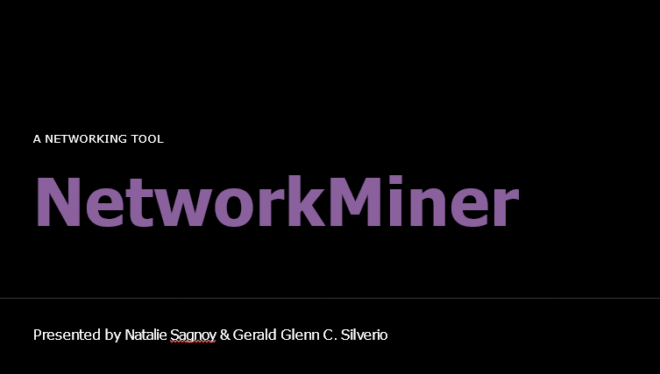 | Good evening, everyone. Tonight we will be presenting to you the program NetworkMiner - a powerful tool used worldwide for malware analysis & law enforcement
2 | About | 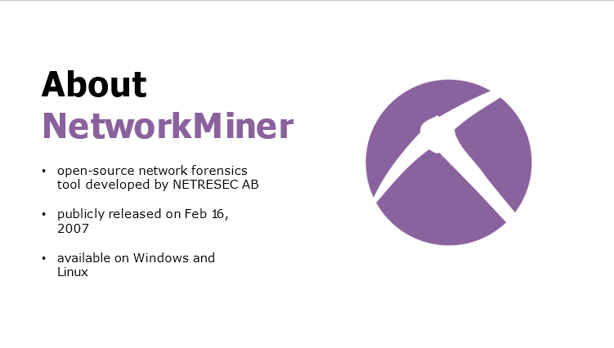 | It is an open-source network forensics tool developed by the Swedish software vendor NETRESEC AB. According to their website (www.netresec.com), | PCAP or Packet Capture files can be generated by programs like tcpdump or wireshark
 |  |  | NetworkMiner can be used as a passive network sniffer/packet capturing tool for detecting operating systems, sessions, hostnames, open ports, etc. without putting any additional traffic on the network.
 |  |  | It can also parse PCAP files for offline analysis & to regenerate/reassemble transmitted files and certificates from PCAP files.
3 | Interface | 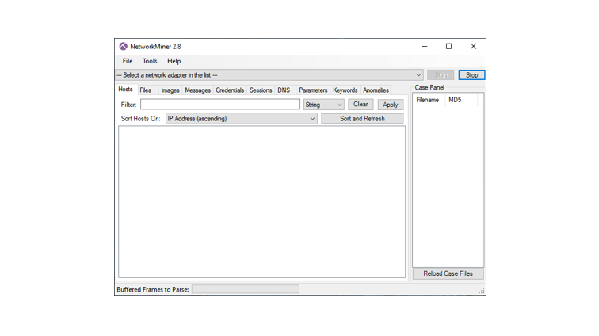 | As you can see, the program’s design shows its age as it uses the design language of Windows 7/Vista.
4 | Features | 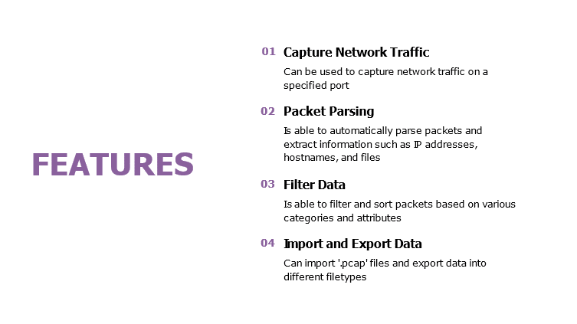 | 1. It can be used to capture network traffic on a specified port
 |  |  | 2. It is able to automatically parse packets and extract information such as IP addresses, hostnames, and files
 |  |  | 3. It is able to filter and sort packets based on various categories and attributes
 |  |  | 4. It can import ‘.pcap’ files and export data into different filetypes
5 | Installation | 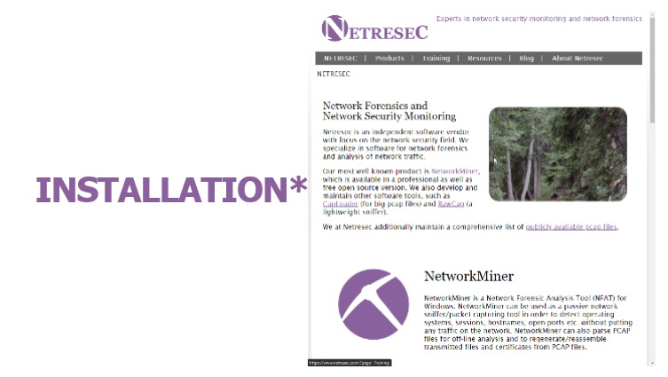 | To get NetworkMiner, you’ll have to visit the vendor’s website at www.netresec.com and go to the program’s dedicated page where you can click on the “Download” button. Once the zip file is downloaded and extracted, you will then be able to execute the program as its binaries and relevant files will be readily available without the process of installation. | Doesn’t really count as “installation”
6 | Demonstration |  | 1. Execute the program from the extracted folder.
 |  |  | 2. Demonstrate the program mining an active port on this machine
 |  |  | 3. Demonstrate opening a PCAP file with various files
 |  |  | 4. Showcase the different files, images, and operating system information displayed by the program
7 | Ending |  | Thank you for your time and attention.

